IndividualESG
PayPal / Venmo

house purchase

vehicle registration
credit card purchases
Social media footprint - FB, X, IG, TT, NextDoor
vehicle registration
Medical records
Criminal records, offense database
Philanthropy - Social
Utility bills
Criminal records, offense database

donation receipts
Tax returns
Cloud storage
Philanthropy - Environmental
car insurance or carfax
Retail Individual
Tax returns
Company Executives, Principals, BoD
Utility bills
online gaming
social connections
Official university transcript
Q&A platforms - Reddit, Quora
Fitness trackers
Official university transcript
Comments / reviews on Google, Yelp
Q&A platforms - Reddit, Quora

data from VoP - Skype, Teams
Locational data

web searches

Social
Environment

 | Key:
 | - Low hanging fruit to create initial ESG score

 | Customers:
 | - Individuals (any member of the public) pay a nominal fee to setup/maintain/verify account
 | - Businesses pay for access to the information. Can have multi-tiered subscription based on how granular the data is, geography of people, etc.
 | -- Banks/lending institutions who want to have sustainable lending practices, employers who want to claim higher sustainable workforce, businesses/brands who want to tout the sustaianability of customer base

 | MVP:
 | - 'first cut' ESG score that is robust enough to give businesses confidence their customer/employees are sustainable acting
 | -- Environmental
 | --- Utility bills (water, gas, electric) for the past year. Need address and utility name.
 | *** METHODOLOGY: Estimate emissions for electricity and gas consumption and comparison to regional averages. Estimate water usage per number of people in household.
 | --- Vehicle registration and proof of insurance
 | *** METHODOLOGY:Higher points for Evs, hybrids, etc.
 | --- If no vehicle, credit card transactions for proof of use of public transportation
 | *** METHODOLOGY:Higher points for Evs, hybrids, etc.

 | -- Social
 | --- Receipts from donations to non-profit organizations, foundations, etc. (e.g. Goodwill, homeless shelters, fighting cancer, humanitarian, churches, etc.)
 | --- Access to discussion forums where comments are liked/upvoted (e.g. Reddit, Quora)

 | -- Governance
 | --- Conduct a state and national background check by providing legal first and last name, DOB, and SSN with photo ID.

 | Vision:
 | - Create a transparent, equitable, and sustainable global economy.

 | Mission:
 | - Our mission is to empower individuals to improve their and their neighbors' quality of life
 | -- We do this be creating tools and metrics that help individuals and businesses alike to meet this goal.

ActivityMap
Activity Map = decarbX_v1

Chatbot features with accurate, doman-specific knowledge: hydrogen energy tech
Up-to-date knowledge on hydrogen
Provides citations of results. Allows community to challenge them to improve
Suggests related prompts based on user's prompt history or commonly asked questions
Return relevant graphs/images of input prompt

Incorporates knowledge from oil & gas industry and related tangential industries
Users suggest new sources
Users awarded larger amount of tokens (or karma) once three others verify source

Retains knowledge state throughout interaction with user

Fluid and fast interaction with user
More tokens allowed and cheaper than ChatGPT
Users awarded token for initial suggestions

uncertain

Natural Gas Infrastructure
Biomass TEA
CCU/CCUS

Hydro TEA
Hydrogen TEA
Electric Grid
policy
regulation
carriers
integrated systems
Natural Gas TEA
production
transmission
storage
end uses

Nuclear TEA

Wind TEA

Solar TEA

WorkFlow
C.H.E.W.I.E. (V1)

LLM Application

[LangChain (framework),
ChatGPT
Cohere, Claude
many more...]

Raw Data
Raw data to be embedded
Knowledge Graph
Requests
Process co-pilot
Embedding API
User Prompt
PyPDF load/split into JSON
Rates Results
[Estuary Flow,
Cohere,
Hugging Face, OpenAI, many more...]
Query
Results
User
[Google Cloud Storage: input.json]
Annotate
Embedded data to be vectorized
Initial Results

Ripple Down Rules
VectorDB API / Transformer
Initial Results
Results Ranker
additional related questions
New Knowledge

Retriever
Sources get re-rated
Reinforcement Learning
[Pinecone, Chroma, Deep lake, FAISS,
many more....]
Knowledge Update
Knowledge

[Google Docs]
Subject Matter Experts

Raw Data Web Scraper

[Python]

ESG_WorkFlow
Skip Question
Start with Which metric?
Skip Question, continue, save/exit?
Start New?
Which framework?
GRI
SASB
TFCD
etc.
Which Section?
Technical
Ecocnomic
Environmental
Social
etc.
Yes
Questions to answer each metric
Continue
User Landing Page

Pick New Framework or Save and start new?

Save and Exit to Main

Compare to peers?

Browse industries
View database

Help me find my peers
Answer questiosn

Competitors
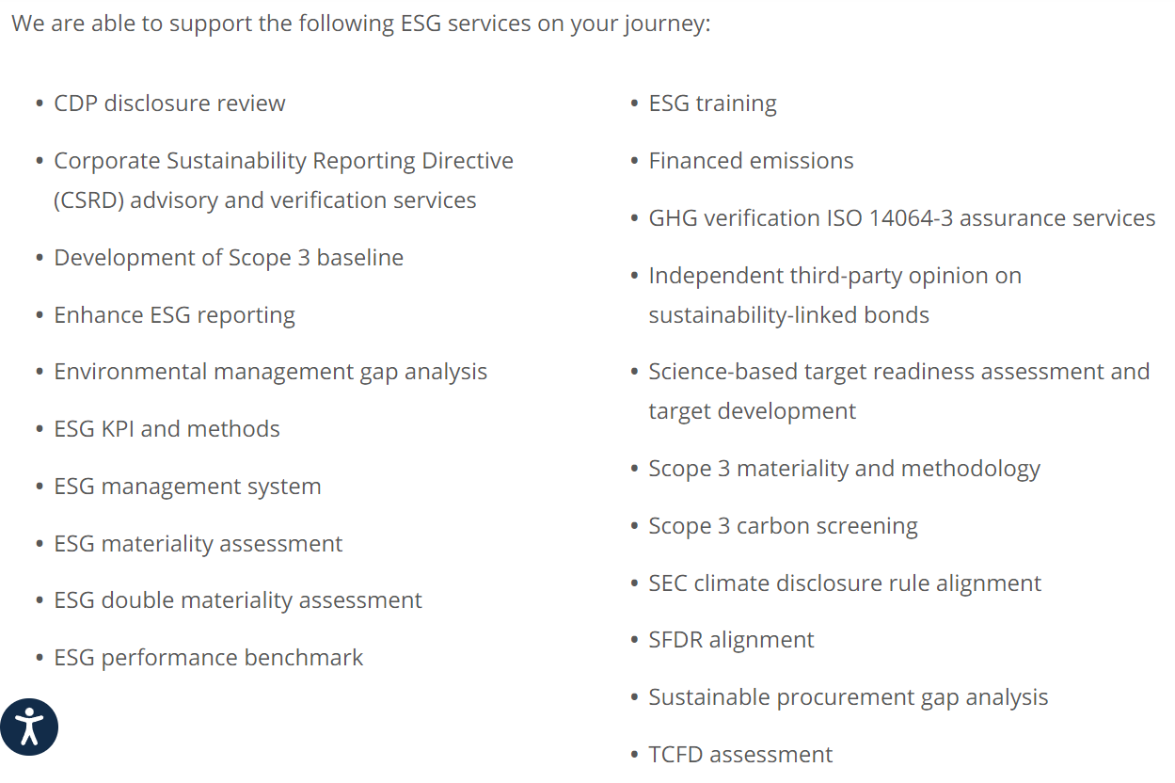
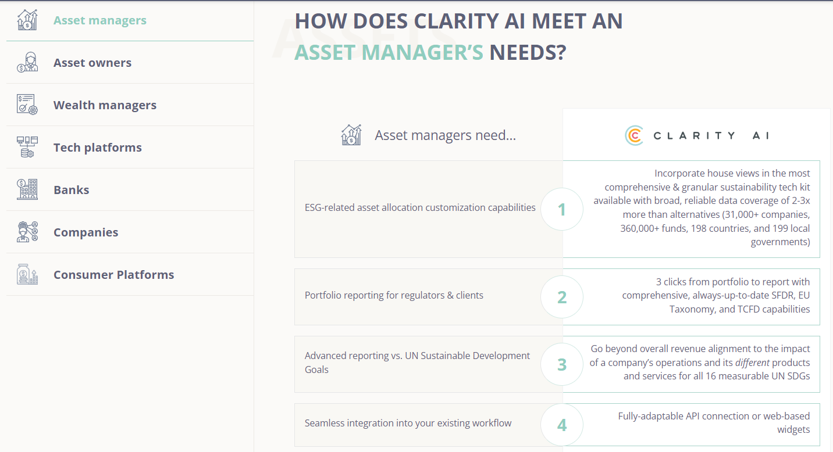
Competitors | URL | Software Brief Description | Target Customers | Market Cap | Notes | ESG Solution URL
Clarity AI | https://clarity.ai/ | Compliant sustainability reporting with assessment & analytics. Comprehensive, fully-customizable tech kit can be used as a whole or sliced via API/widget integration. | businesses
Arabesque Group | https://www.arabesque.com/
MSCI | https://www.msci.com/
Sustainalytics (Morningstar) | https://www.sustainalytics.com/
Kodiak Hub | https://www.kodiakhub.com/ | Modular suite of supplier relationship management solutions that teams plug/play to cature supplier data & information, spot supply chain risks, manage contracts, etc. | businesses |  | Not really a competitor
SustainIQ | https://marketing.sustainiq.com/all-in-one-esg-reporting-software
Workiva | https://www.workiva.com/ | Automated ESG, financial data collection, collaboration, and sharing | businesses | 5B | Kyisin said this is widely used but competition is poor | https://www.workiva.com/solutions/esg-reporting?utm_medium=Search&utm_type=Paid&utm_source=Google&utm_campaign=ESG-Solutions_2022_Q2&utm_solution=ESG&utm_geo=North-America&utm_segment=ESG-General&gclid=CjwKCAjwkNOpBhBEEiwAb3MvvdcjCRKMQsbHF_QIBM9bKKhImYbQ8zOeMYQuAPSXCb8hyXPgBTZukBoCJrkQAvD_BwE
OneTrust | https://www.onetrust.com/ | Streamlined data collection and performance against ESG targets. Also used for regulatory compliance reports. | businesses | 4.5B | Very similar to Workiva | https://www.onetrust.com/solutions/esg-and-sustainability-cloud/
Navex | https://www.navex.com/en-us/ | NAVEX ESG systemizes collection, disclosure, reporting of ESG metrics. Helps develop ESG strategy | businesses | lookup in PB | Similar to Workiva and OneTrust | https://www.navex.com/en-us/products/navex-esg-environmental-social-governance/
UL Solutions | https://www.ul.com/ | Reporting and advisory services. Also tailor to other regulated industries that require reporting | businesses |  |  | https://www.ul.com/services/esg-management#1678136108
Benchmark Gensuite |  |  |  |  |  | https://benchmarkgensuite.com/esg-analytics-insights/?utm_term=esg%20management%20software&utm_campaign=BOFU+Solutions+Terms+%7C+NB+2023&utm_source=adwords&utm_medium=ppc&hsa_acc=7111494930&hsa_cam=20551393090&hsa_grp=152081240606&hsa_ad=673795264969&hsa_src=g&hsa_tgt=kwd-937720301163&hsa_kw=esg%20management%20software&hsa_mt=p&hsa_net=adwords&hsa_ver=3&gclid=CjwKCAjwkNOpBhBEEiwAb3MvvYqIVd0wGvRCakBH9i7d9koVXK0Rsu_8HasRJuT6kcLv28Zkeqi32BoCAUQQAvD_BwE

HelpfulDocumentation
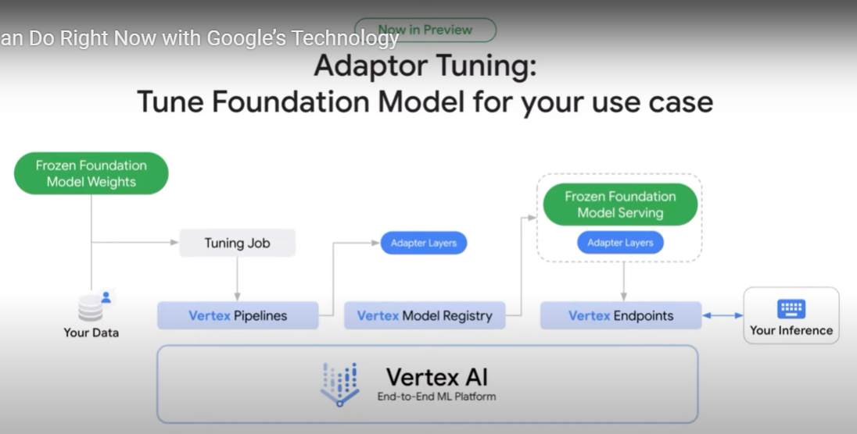
https://python.langchain.com/docs/modules/data_connection/
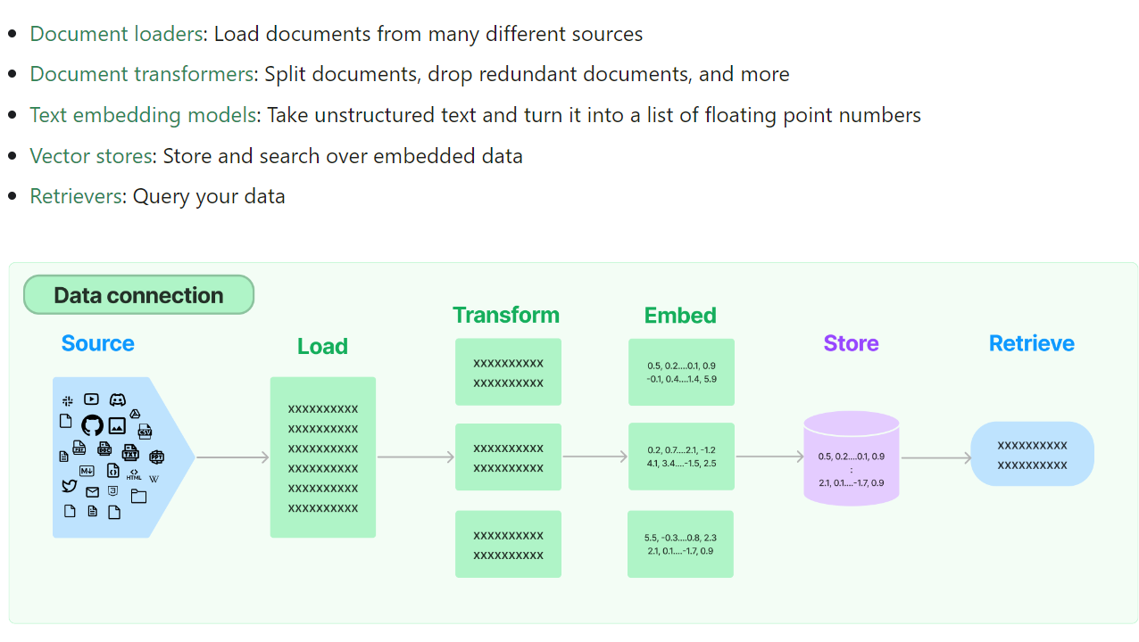

RetrievalQA works with both the vectorstores and the chain
- Keep text input to no more than 10-15 lines to control how many tokens being sent to LLM. -> should be vetted further.
"Agents" are a way to control what data is called when given prompt

